D601
CLIENT: | BVB
Period-end: | 2023-12-31
Currency/Unit: | VND | D601
 |  |  |  |  |  | Prepared by: TMN - Feb 2024
 |  |  |  |  |  | Reviewed by: NHD - Feb 2024

Objectives
 | To ensure that the loans to customers accounts were fairly stated and presented as at 31 December 2023

Work done
Assertion | Works done
C | Obtain securities portfolio as at 31 December 2023 and reconcile with Trial Balance
C, E | Obtain securities balance confirmation letters and reconcile balances
C, V | Perform overall analytical review procedures on securities balances between two years
E | Obtain debt sale contract and test of detail
V | Recalculate provision of securities
P&D | Review and assess the completeness and appropriateness of financial statement disclosure

Findings

[1] | Obtain securities portfolio as at 31 December 2023 and reconcile with Trial Balance

 | - From Existing stock statements

 | Account | Ref | Per listing | Per TB | Diff
 | 1630 | D601.01 | 1,366,469,579,882 | 1,366,469,579,882 | -
 | Account | Ref | Per EY | Per TB | Diff
 | 1691 | D601.02 | - | - | -

 | - Follow VAMC 2023

 | Account | Ref | Per listing | Per TB | Diff
 | 1630 | D601.01 | 1,366,469,579,882 | 1,366,469,579,882 | -

[2] | Obtain securities balance confirmation letters and reconcile balances

 | Account | Per confirmation | Per TB | Diff | Ref
 | 1630 | 1,366,469,579,882 | 1,366,469,579,882 | - | D1.059

[3] | Perform overall analytical review procedures on securities balances between two years

 | Account | Acc Name | 2023-12-31 | 2022-12-31 | Var
 | 1630 | Chứng khoán Nợ do các tổ chức kinh tế trong nước phát hành | 1,366,469,579,882 | - | (1,366,469,579,882)

 | In 2023, BVB has generated a Debt Securities account balance issued by domestic economic organizations, an increase of 100% compared to last year, equivalent to an increase of 1,366,469,579,882 VND. The reason is because BVB incurred debt sales transactions to VAMC, which started arising from September.

[5] | Obtain debt sale contract and test of detail

 | Collect all debt sale contracts with VAMC

 | Please refer to D601.03

[4] | Recalculate provision expenses

 | Account | Per TB | Per EY recalculation | Diff | Note
 | 1691 | - | - | -

 | Understand client's method | We had undestanding the method calculation provision VAMC of BVBank and read the Circular 14/2015/TT-NHNN to compare and recalculate

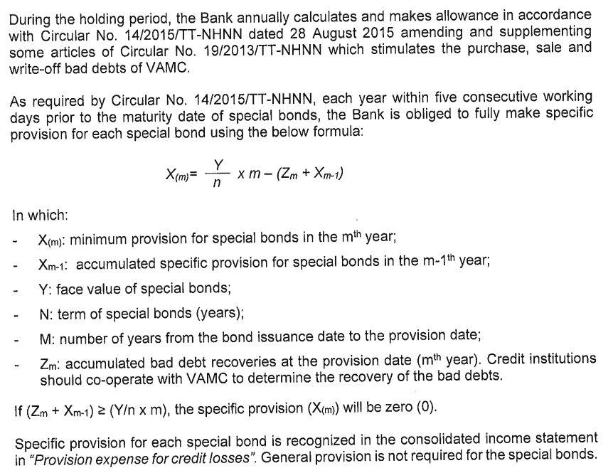
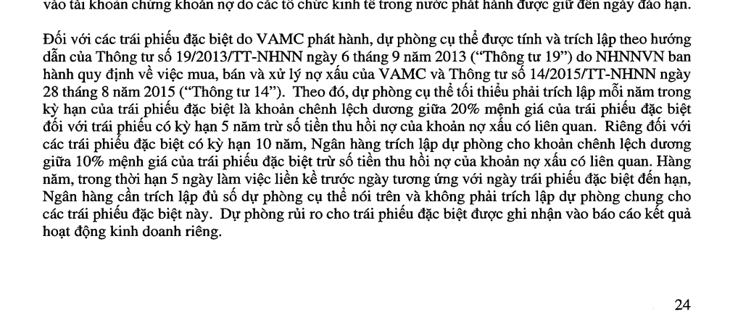

Recalculation

 | Please refer to D601.01
 |  |  |  |  |  |  |  | #REF!

Adjustment
 |  |  |  |  |  |  | 4%
 | No Adjustment

Conclusion

 | Accounts were fairly stated and presented as at 31 December 2023

